Sheet1
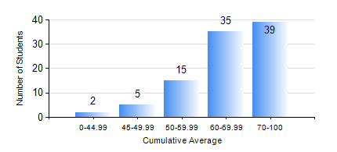
 |  |  | KWAME NKRUMAH UNIVERSITY OF SCIENCE AND TECHNOLOGY, KUMASI Department of Computer Engineering

 |  |  | BSC. BIOMEDICAL ENG.

 |  |  | COMPREHENSIVE RECORD OF EXAMINATION RESULTS

 |  |  | RESULTS OF YEAR 1 SECOND SEMESTER, 2023/2024 ACADEMIC YEAR

 | Sn | Course Code |  | Course Name | Credit Hours | Min. Mark | Max. Mark | Avg. Mark | Std. Dev. | No. Passed | No. Trailed | No. (Df) | No. (I) | No. (I*) | No. Tagged(I,I*,Df) | Total
 | 1. | COE 152 |  | BASIC ELECTRONICS | 3 | 50 | 98 | 73 | 13.11 | 96 | 0 | 0 | 0 | 0 | 0 | 96
 | 2. | COE 158 |  | INTRODUCTION TO INFORMATION TECHNOLOGY | 2 | 24 | 89 | 74 | 9.65 | 94 | 1 | 0 | 1 | 0 | 1 | 96
 | 3. | EE 156 |  | ELECTRICAL ENGINEERING DRAWING | 2 | 35 | 79 | 59 | 9.79 | 94 | 1 | 0 | 1 | 0 | 1 | 96
 | 4. | ENGL 158 |  | COMMUNICATION SKILLS II | 2 | 40 | 98 | 77 | 13.18 | 96 | 0 | 0 | 0 | 0 | 0 | 96
 | 5. | MATH 152 |  | CALCULUS WITH ANALYSIS | 4 | 13 | 90 | 50 | 15.13 | 86 | 8 | 0 | 2 | 0 | 2 | 96
 | 6. | PHY 154 |  | PROPERTIES OF MATTER | 2 | 25 | 89 | 57 | 13.96 | 91 | 5 | 0 | 0 | 0 | 0 | 96
 | 7. | SOC 152 |  | INTRODUCTION TO SOCIOLOGY II | 3 | 41 | 88 | 74 | 9.99 | 96 | 0 | 0 | 0 | 0 | 0 | 96
 | 8. | SSN 166 |  | BIOCHEMISTRY | 2 | 40 | 80 | 62 | 8.59 | 96 | 0 | 0 | 0 | 0 | 0 | 96

